Sheet1
Yacht Devices YDTA-01 / 04 and YDRA-01 solver for KUS/WEMA gauges

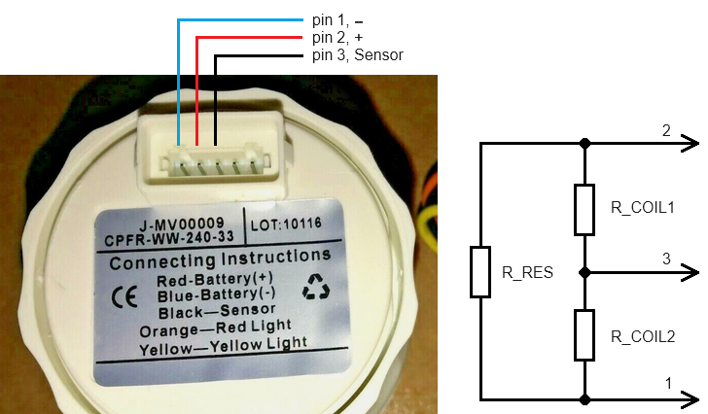
1) Confirm your KUS/WEMA gauge looks like on a photo

2) totally disconenct gauge from the 5-pin header conenctor

3) Measure 4 resistance values.

Warning ! Low resistance circuitry.
Make sure to set correct measurment range on the Ohmmeter
and calibrate zero prior to making a measurement

Tip: warm up the gauge (i.e. leave operational for ~15 minutes )
to get more accurate results

Tip: To improve measurements accuracy
take several measuremtns (3..5) and take an average

Warning ! Measure each resistance (R1 R2 R3 R4) in both forward
and reverse probes polarity.
You should get the same resistance when probes polarity inverted!

USER INPUT SECTION

Measure resistance between pins |  |  |  |  | Enter, in Ohms |  | Calculated average, Ohms
 |  |  |  |  | Forward polarity | Reverse polarity
R1 | 1 | «Battery −» | 3 | «Sensor» | 272.29 | 272.18 | 272.24
R2 | 2 | «Battery +» | 3 | «Sensor» | 127.28 | 127.36 | 127.32
R3 | 1 | «Battery −» | 2 | «Battery +» | 275.77 | 275.06 | 275.42
R4 | 1 connect to 2 | «Battery −» connected to «Battery +» | 3 | «Sensor» | 111.13 | 111.16 | 111.15

CALCULATIONS: gauge internal resistances

 | Ohms |  |  | to_string
R_COIL1 | 146.70 |  |  | 146.70
R_COIL2 | 458.63 |  |  | 458.63
R_RES | 505.33 |  |  | 505.33

CHECK: INVERSE PROBLEM. STATUS: GOOD

 | Ohms | Error, Ohms | Error, % |  | MAX |error|, %
R1 | 269.25 | -3.04 | -1.13 |  | 1.13
R2 | 127.32 | 0.04 | 0.03
R3 | 275.41 | -0.36 | -0.13
R4 | 111.15 | 0.02 | 0.02

SETTINGS to configure Devices

YDTA-01 / YDRA-01 (config file)
CONNECTION=2COIL_VCC
OHMS_COIL_1=146.70
OHMS_COIL_2=458.63
OHMS_RES=505.33

YDTA-01 / YDRA-01 (commands)
YD:CONNECTION 2COIL_VCC
YD:COIL_1 146.70
YD:OHMS_COIL_2 458.63
YD:OHMS_RES 505.33

YDTA-04 (commands)
Enter YDTA-01 measurement channel (A, B, C or D) |  |  | B
YD:CONNECTION B 2COIL_VCC
YD:OHMS_GAUGE B 146.70 458.63 505.33

